Sheet1
Texts assessed
Text | Role | Word count used for target-text penalties
Hamilton & Wang | Expert reference translation / ERT | 1,311
run1_20260505_123753.txt | non-enhanced LLM | 1,211
ragrun1_20260505_123753.txt | RAG-enhanced LLM | 1,200
Source word count for source-text crediting: 1,420 words.
Claude Opus 4.8 Report
1. Error Tabulation
1.1 Concept Representation — Theoretical Terms (CR, ×1)
ID | Sub-param | ERT | run1 | ragrun1
CG2-401 伦 | CR-1/2/6 | ✓ lun+gloss | ✓ lun/renlun + gloss | ✓ lun+gloss
CG2-402 人伦 | CR-1/6 | ✓ renlun | ✓ renlun—human relations | ⚠ "lun—human relations" (dropped 人; flagged)
CG2-403 差序 | CR-1/2/3 | ✗ "discrete circles" (ERT fail) | ✓ "differential ordering" | ✓ "differential order"
CG2-404 差序格局 | CR-1/2 | ✓ | ✓ differential mode of association | ✓ differential mode of association
CG2-405 推/tui | CR-1/2/3 | ✓ tui+gloss | ✓ "the word 'extend' (tui)" | ✗ "the word 'extend'" — no pinyin/metalinguistic recognition
CG2-406 克己 | CR-1/2/3 | ✓ | ✓ restrained by ritual | ✓ subdued by ritual
CG2-407 修身 | CR-1/5 | ✓ | ⚠ "cultivate the person" (accept) | ⚠ "cultivate the person" (accept)
CG2-408 天下 | CR-1/2/6 | ✓ | ✓ all under Heaven | ✓ all under Heaven
CG2-409 天下之达道 | CR-1/2 | ✓ | ✓ universal Way of all under Heaven | ✓ universal Way under Heaven
CG2-410 自我主义 | CR-1/2/3 | ✓ egocentrism | ✓ egocentrism | ✗ "egoism" (unacceptable per codebook)
CG2-411 个人主义 | CR-1/2/3 | ✓ | ✓ individualism | ✓ individualism
CG2-412 平等观念 | CR-1/2/3 | ✓ | ✓ idea of equality (symmetric) | ✓ idea of equality (symmetric)
CG2-413 宪法观念 | CR-1/2/3 | ✓ | ⚠ "constitutionalism" (accept) | ⚠ "constitutionalism" (accept)
CG2-414 仁 | CR-1/2 | ✓ | ✓ benevolence | ✓ humaneness/humanity
CG2-415 圣 | CR-1 | ✓ | ✓ sage | ✓ sage
CG2-416 君子/小人 | CR-1/2/3 | ✓ | ✓ gentleman/petty man | ✓ gentleman/petty man
1.2 CR — Cultural Items, Idioms, Proper Names (CR, ×1)
ID | Sub-param | ERT | run1 | ragrun1
CG2-417 …水文相次… | CR-1/5 | ✓ | ✓ Lun means ordered relations… | ✓ It means lun…
CG2-418 不失其伦 | CR-1/5 | ✓ | ✓ "Not losing one's lun" | ✓ "Not losing one's lun"
CG2-419 此其不可得… | CR-1/5 | ✓ | ✓ | ✓ "cannot be changed together with the people"
CG2-420 十伦 | CR-1/5 | ✓ | ✓ "all refer to differences of degree" | ✓ "all refer to graded differences"
CG2-421 能近取譬 | CR-1/5 | ✓ | ✓ take what is near as analogy | ✓ take what is near as analogy
CG2-422 中庸 | CR-1/5 | ✓ | ✓ Doctrine of the Mean | ✓ Doctrine of the Mean
CG2-423 天国 | CR-1/5 | ✓ | ✓ Kingdom of Heaven | ✓ Kingdom of Heaven
CG2-424 墨翟 | CR-1 | ✗ OMITTED (ERT fail) | ✓ Mo Di | ✓ Mo Di
1.3 CL Layer B-1 — Figures of Argument (×5)
ID | Sub-param | ERT | run1 | ragrun1
CG2-518 一圈圈…愈薄 | CL-B1 | ✓ "more insignificant" | ✓ "the weaker they become" | ✗ "the thinner they become" (literal water-metaphor; unacceptable)
CG2-519 ten pairs | CL-B1 | ✓ | ✓ 10 pairs uniform | ✓ 10 pairs uniform
CG2-520 亲亲尊尊长长 | CL-B1/2 | ✓ | ✓ kin as kin… | ✓ kin as kin…
CG2-521 具体↔抽象 | CL-B3 | ✓ | ✓ | ✓
CG2-522 从己到家… | CL-B1 | ✓ | ✓ from X to Y chain | ✓ from X to Y chain
CG2-523 己欲立而立人 | CL-B1/2 | ✓ | ✓ | ✓
CG2-524 君子求诸己 | CL-B1/3 | ✓ | ✓ | ✓
CG2-525 以德报怨… | CL-B1/2 | ✓ | ✓ "repay X with Y" triad | ✓ "repay X with Y" triad
1.4 CL Layer B-2/B-3 — Metadiscourse (×5)
ID | Sub-param | ERT | run1 | ragrun1
CG2-526 怎能…相提并论 | CL-B7 | ✗ statement (fail) | ✓ rhetorical Q kept | ✓ rhetorical Q kept
CG2-527 其实 | CL-B6 | ✓ | ✓ "In fact" | ✓ "In fact"
CG2-528 顺着…就可 | CL-B6 | ✓ | ✓ "one can then extend" | ✓ "may then extend"
CG2-529 不是…而是 (order) | CL-B6 | ✓ | ✗ literal order | ✗ literal order
CG2-530 …没有…因为 | CL-B6 | ✓ | ✗ no 转折 "However" | ✗ no "However" + "our"
CG2-531 自我主义并不限于 | CL-B6 | ✓ | ✗ "Egocentrism…" (no "This kind of") | ✗ "Egoism…"
CG2-532 很好一个…譬喻 | CL-B7 | ✓ | ✗ no "in fact" | ✗ no "in fact"
CG2-533 孔子呢？不然 | CL-B6 | ✓ | ✗ "Confucius was not so" | ✗ "Confucius was not so"
CG2-534 因之…普爱天下 | CL-B7 | ✓ | ✗ "For this reason" (no signalling noun) | ✗ "Therefore"
CG2-535 ① added contrast | CL-B10 | ✓ added | ⚠ not added (flagged) | ⚠ not added (flagged)
CG2-536 个人是对团体 | CL-B10 | ✓ added | ⚠ not added (flagged) | ⚠ not added (flagged)
CG2-537 孔子并不像耶稣 | CL-B11 | ✓ "In this regard" | ✗ no connective | ✗ no connective
CG2-538 我们儒家 | CL-B14 | ✓ Confucian school | ✓ "Confucianism" | ✗ "our Confucian tradition"
CG2-539 在我们现在读来 | CL-B15 | ✗ 3rd person (fail) | ✓ "To us today" | ✓ "To us today"
CG2-540 怎能…相提并论 | CL-B15 | ✗ statement (fail) | ✓ rhetorical Q | ✓ rhetorical Q
CG2-541 我们传统的社会结构 | CL-B14 | ✓ | ✗ "our traditional social structure" | ✗ "our traditional social structure"
CG2-542 我们中国传统思想 | CL-B14 | ✓ | ✓ "traditional Chinese thought" | ✗ "our…" (subsumed under CG2-530)
CG2-543 因为我们所有的 | CL-B14 | ✗ "for us" (fail) | ✗ "what we have" | ✗ "what we have"
Note: CG2-526/539/540 are one ER T locus → counted once. For ragrun1, CG2-542's self-mention shares the CG2-530 clause → counted once at CL-B6 (OCR-1).
2. Source-Text Penalties (P_S, source = 1,420 words) and Remediation Status
ID | Defect | Sub-param (counted) | ERT | run1 | ragrun1
CG2-301 | 北辰→北斗星 | CR-2 (×1) | remedied | remedied (Pole Star) | remedied (North/Pole Star)
CG2-302 | 五伦 unexpanded | CL-B10 (×5) | remedied | reproduced | reproduced
CG2-303 | 伦/沦/仑 wordplay | CL-B10 (×5) | remedied | remedied (pinyin+gloss) | remedied
CG2-304 | 子贡 identity | CL-B10 (×5) | remedied | reproduced | reproduced
CG2-305 | Mencius citation | CL-B9 (×5) | reproduced | reproduced | reproduced
Source penalties (fixed): n_CR-S = 1, n_CL-S = 4

Reproduced source defects are added to each text's target penalty (and cancel against P_S per the crediting mechanism); remedied defects yield net credit.
3. Translation Quality Scores
Final error counts (own errors + reproduced source defects):
Text | n_CR-T | n_CL-T | Word count
ERT | 2 (403, 424) | 3 (526-grp, 543, +305) | 1,311
run1 | 0 | 12 (9 own + 302, 304, 305) | 1,211
ragrun1 | 2 (405, 410) | 14 (11 own + 302, 304, 305) | 1,200
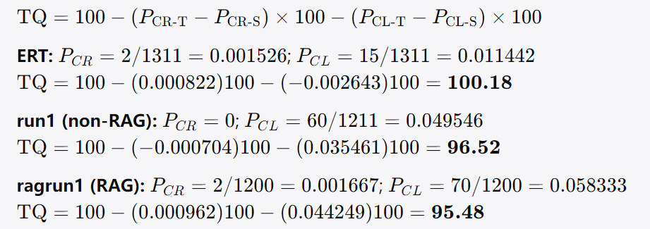

Text | TQ | Argument-Integrity flag (OCR-8)
ERT | 100.18 | COMPROMISED (CG2-514 omitted)
run1 | 96.52 | UNCERTAIN (CG2-510 misattribution) → human review
ragrun1 | 95.48 | PRESERVED
4. Interpretation
Where RAG helped. In this run, RAG produced no unique improvement over the non-enhanced output. Every item ragrun1 rendered acceptably, run1 also rendered acceptably. RAG's retrieval did not repair any weakness specific to run1.
Where RAG did not help / actively hurt. RAG introduced four errors absent from the non-enhanced text: (1) CG2-410 — rendering the author-coined 自我主义 as "egoism" rather than the established "egocentrism"; (2) CG2-405 — losing the metalinguistic pinyin annotation of 推/tui; (3) CG2-518 — translating 愈薄 literally as "thinner," collapsing the ripple metaphor into the water vehicle; (4) CG2-538 — "our Confucian tradition," wrongly absorbing the English reader into the Chinese in-group. The net effect is that the RAG text scores below the non-enhanced text (95.48 vs 96.52). Both LLMs share an identical cluster of cohesion/self-mention weaknesses (CG2-529–534, 537, 541, 543): they translate connectives literally, drop the cohesive "signalling nouns/discourse markers" the expert supplies, and retain 我们/"our" for the Chinese collectivity.
Where ERT itself fails. The expert reference is strong overall (TQ > 100 after source-crediting) but fails at five points: CG2-403 (差序 reduced to "discrete circles," losing the ordinal sense); CG2-424 + CG2-514 (the entire closing 墨翟/Jesus tripartite contrast is omitted, flagging argument integrity as compromised); CG2-526/539/540 (the rhetorical question "怎能…相提并论？" flattened into "Some may wonder why…", erasing both the interrogative and the reader's standpoint); CG2-543 ("for us"); and CG2-305 (the Mencius citation, unremedied by everyone). Notably, on three of these the LLMs outperform the expert: both preserve the differential-order sense of 差序, both retain Mo Di and the closing contrast, and both keep the rhetorical question with reader address. This is the clearest case-study signal — the LLMs are more source-faithful on argument structure precisely where the human translator took editorial liberties, while the human is more idiomatic/cohesive where the LLMs stay literal.
5. Items Flagged for Human Experts' Final Judgment
Layer A (diagnostic, ×0):
CG2-514 (ERT, ⑦): final "他不像耶稣或中国的墨翟，一放不能收" omitted → ERT grounds compromised. Confirm flag.
CG2-510 (run1, ③): "Mencius said of himself that he was good at extending" — misattributes the praise to Mencius rather than Confucius (源文 孟子说他). This is a CL-A2 grounds blur with no clean Layer-B realizing locus (OCR-7); I left it uncounted and routed run1 to review (OCR-8). Please decide whether to penalize and under which code.
CG2-501–517 otherwise read as preserved for all three texts.
Penalty-bearing items needing your ruling:
CG2-529/530/531/532/533/534/537 (both LLMs): these penalize the LLMs for not supplying the ERT-style cohesive amplifications ("in fact," "in this regard," signalling nouns, reversed information order). They constitute ~7×5 of each LLM's penalty. If you judge faithfulness-to-source acceptable here, removing them raises both LLMs substantially without changing the RAG-vs-non-RAG ranking (the gap is driven by 518/538/405/410).
CG2-535 & CG2-536 (both LLMs): I did not count the LLMs' non-addition of the expert's explanatory amplifications, since the source genuinely lacks them and the LLMs are faithful. If you wish to treat non-addition as an error, add +1 CL-B10 (×5) to each LLM.
CG2-402 (ragrun1): 人伦 rendered "lun—human relations" (drops 人). Pinyin+gloss present; I treated as acceptable/borderline, uncounted. If counted, ragrun1 n_CR-T = 3.
CG2-410 subsumption (ragrun1): "egoism" co-occurs with CL-B6 cohesion errors at ④/⑤. A strict OCR-1 reading would subsume it (ragrun1 CR → 1, raising TQ slightly). I counted it as its own term-locus (CR = 2). Please confirm preference.
CG2-407 ("cultivate the person") and CG2-413 ("constitutionalism") (both LLMs): I accepted both as within range; flag if you want them tightened.
6. Human Expert A's Final Judgement (20260616 1000am)
1. CG2-514 (ERT, ⑦): ERT omitted, thus grounds compromised. Please penalize under CL— severity multiplier ×5.
2. CG2-510 (run1, ③): run1 misattributes the praise to Mencius. Please penalize under CL— severity multiplier ×5.
3. CG2-529 (run1): run1 fails here. Please penalize under CL— severity multiplier ×5.
4. CG2-530 (run1): run1 fails here. Please penalize under CL— severity multiplier ×5.
5. CG2-531 (run1): run1 fails here. Please penalize under CL— severity multiplier ×5.
6. CG2-532 (run1): run1 fails here. Please penalize under CL— severity multiplier ×5.
7. CG2-533 (run1): run1 fails here. Please penalize under CL— severity multiplier ×5.
8. CG2-534 (run1): run1 fails here. Please penalize under CL— severity multiplier ×5.
9. CG2-537 (run1): run1 fails here. Please penalize under CL— severity multiplier ×5.
10. CG2-529 (ragrun1): ragrun1 fails here. Please penalize under CL— severity multiplier ×5.
11. CG2-530 (ragrun1): ragrun1 fails here. Please penalize under CL— severity multiplier ×5.
12. CG2-531 (ragrun1): ragrun1 fails here. Please penalize under CL— severity multiplier ×5.
13. CG2-532 (ragrun1): ragrun1 fails here. Please penalize under CL— severity multiplier ×5.
14. CG2-533 (ragrun1): ragrun1 fails here. Please penalize under CL— severity multiplier ×5.
15. CG2-534 (ragrun1): ragrun1 fails here. Please penalize under CL— severity multiplier ×5.
16. CG2-537 (ragrun1): ragrun1 fails here. Please penalize under CL— severity multiplier ×5.
17. CG2-535 (run1): run1 fails here. Please penalize under CL— severity multiplier ×5.
18. CG2-536 (run1): run1 fails here. Please penalize under CL— severity multiplier ×5.
19. CG2-535 (ragrun1): ragrun1 fails here. Please penalize under CL— severity multiplier ×5.
20. CG2-536 (ragrun1): ragrun1 fails here. Please penalize under CL— severity multiplier ×5.
21. CG2-402 (ragrun1): ragrun1 fails here. Please penalize under CR— severity multiplier ×1.
22. CG2-410 (ragrun1): I agree with your "counted it as its own term-locus (CR = 2)".
23. CG2-407 (run1): run1 fails here. Please penalize under CR— severity multiplier ×1.
24. CG2-407 (ragrun1): ragrun1 fails here. Please penalize under CR— severity multiplier ×1.
3. Translation Quality Scores (revised)
Final error counts (own errors + reproduced source defects 302/304/305):
Text | n_CR-T | n_CL-T | Word count
ERT | 1 (403) | 4 (514, 526-grp, 543, 305) | 1,311
run1 | 1 (407) | 15 (529,530,531,532,533,534,537,541,543, 510, 535, 536 + 302,304,305) | 1,211
ragrun1 | 4 (405, 410, 402, 407) | 16 (518,529,530,531,532,533,534,537,538,541,543, 535,536 + 302,304,305) | 1,200
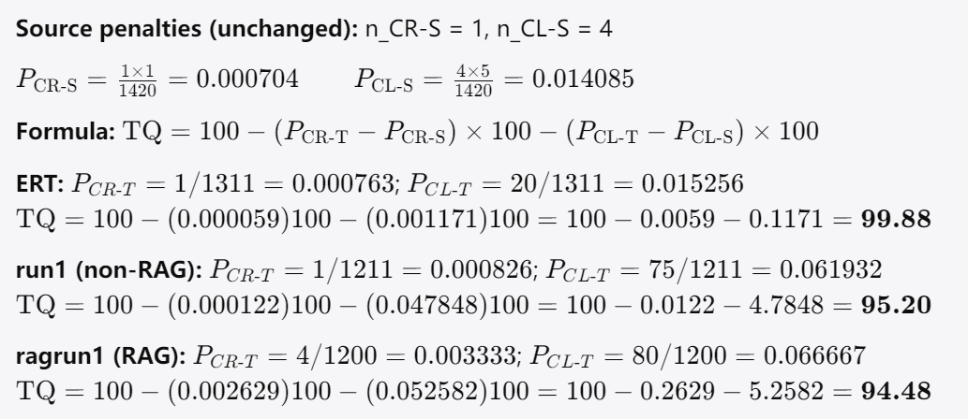

Text | TQ | Argument-Integrity flag (OCR-8)
ERT | 99.88 | COMPROMISED (CG2-514 grounds omitted)
run1 | 95.2 | COMPROMISED (CG2-510 grounds misattribution, now penalized)
ragrun1 | 94.48 | PRESERVED
4. Interpretation (revised)
Overall ranking. ERT (99.88) > run1 (95.20) > ragrun1 (94.48). With your rulings applied, the most important structural change from the earlier draft is that the expert reference no longer scores above 100: penalizing the omitted closing contrast (CG2-514) at major weight pulls ERT down to 99.88 and, more tellingly, leaves its argument-integrity flag compromised. The expert is still the strongest text, but its superiority now rests almost entirely on terminological and cohesive polish rather than on completeness of the argument.
Where RAG helped. RAG's one genuine, decisive advantage is at the level of argument integrity. The non-enhanced run1 misattributed Mencius's praise to Mencius himself rather than to Confucius (CG2-510), a grounds-level distortion now penalized at ×5 and flagging run1 as compromised. ragrun1 avoided this error and is the only text to carry a preserved flag. So if argument fidelity is weighted as the framework intends (CL ×5, and the OCR-8 flag), RAG delivered the single most consequential qualitative gain in the set — even though it lost on the numeric score.
Where RAG did not help / actively hurt. RAG's losses are concentrated in Concept Representation and in two figural/interactional points. It introduced four CR errors against run1's one: rendering author-coined 自我主义 as "egoism" rather than the mandated "egocentrism" (CG2-410), stripping the metalinguistic pinyin from 推/tui (CG2-405), dropping 人 from 人伦 (CG2-402), and mishandling 修身 (CG2-407, shared with run1). On the Concept-Logic side it uniquely flattened the ripple metaphor by translating 愈薄 literally as "thinner" (CG2-518) and absorbed the English reader into the Chinese in-group with "our Confucian tradition" (CG2-538). The net result is that RAG's retrieval improved propositional/argumentative tracking while degrading terminological discipline — the system seems to have followed retrieved context at the expense of the codebook's term-level conventions.
Shared LLM weakness (RAG-invariant). Both models fail identically on the cohesion/self-mention cluster: literal connectives with no discourse-marker compensation (CG2-529–534), missing hedge/linking phrases (CG2-537), failure to add the expert's clarifying glosses (CG2-535, CG2-536), and retention of 我们/"our" for the Chinese collectivity (CG2-541, CG2-543). RAG changed none of these, indicating they are model-level rather than retrieval-addressable deficits.
Where ERT itself fails. The expert reference fails at four loci that the LLMs handle better: the omitted closing tripartite contrast and Mo Di (CG2-514/424 → COMPROMISED flag), the differential-order sense of 差序 reduced to "discrete circles" (CG2-403), the rhetorical question "怎能…相提并论？" flattened to a declarative with the reader's standpoint erased (CG2-526/539/540), and "for us" (CG2-543). Both LLMs preserve the rhetorical question, both retain Mo Di and the closing contrast, and both keep the differential-order reading of 差序. This remains the headline case-study finding: the LLMs are more source-faithful on argument structure precisely where the human translator exercised editorial license, while the human is more idiomatic and cohesive where the LLMs stay literal — and RAG, specifically, buys argument-integrity fidelity at a measurable terminological cost.

